ITP-xxx
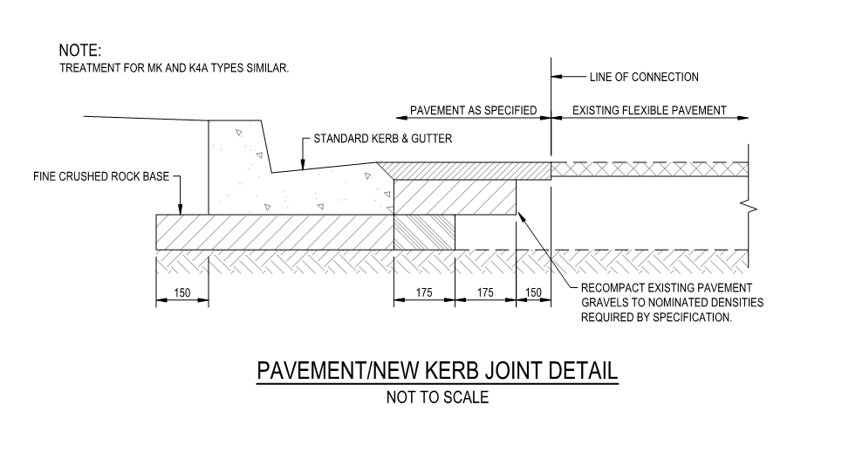
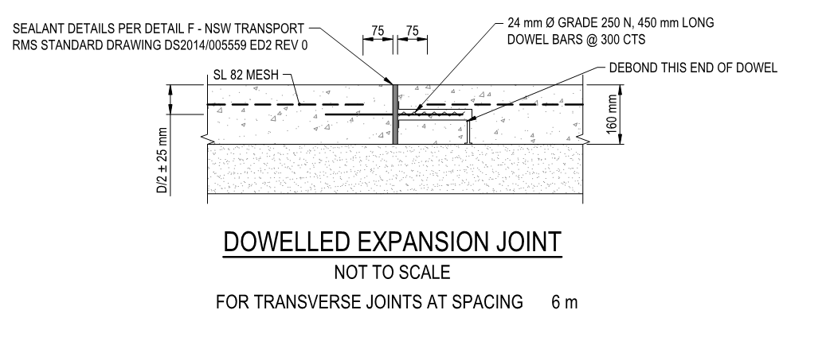
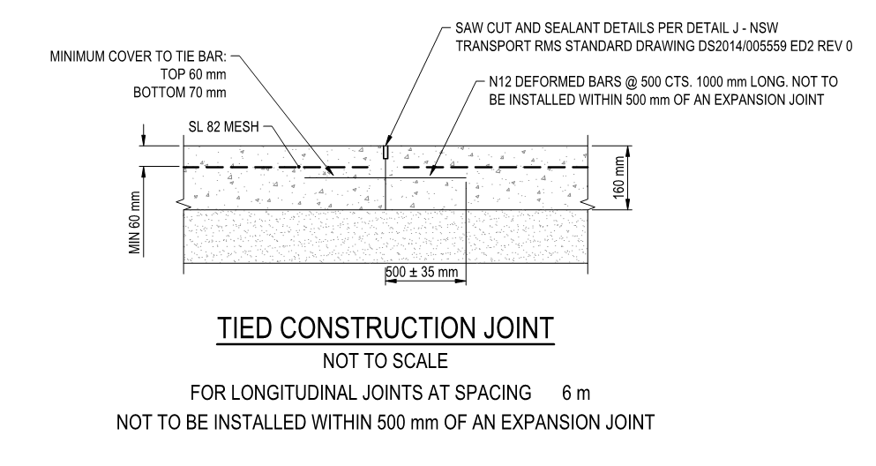
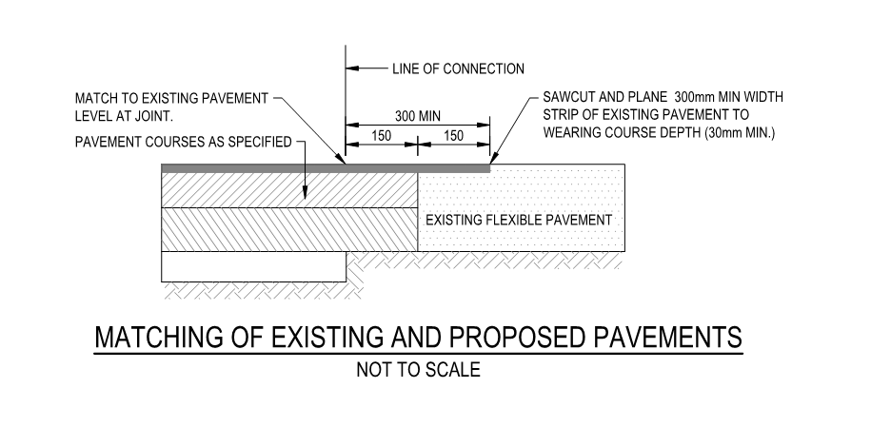
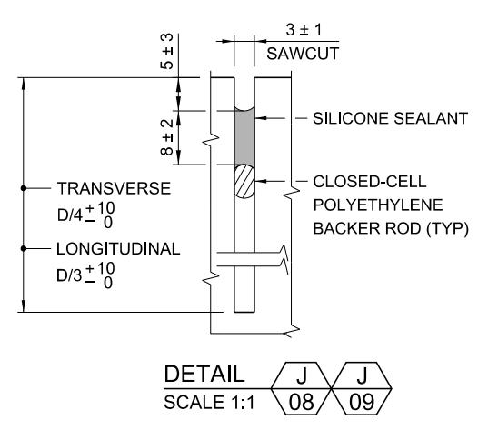
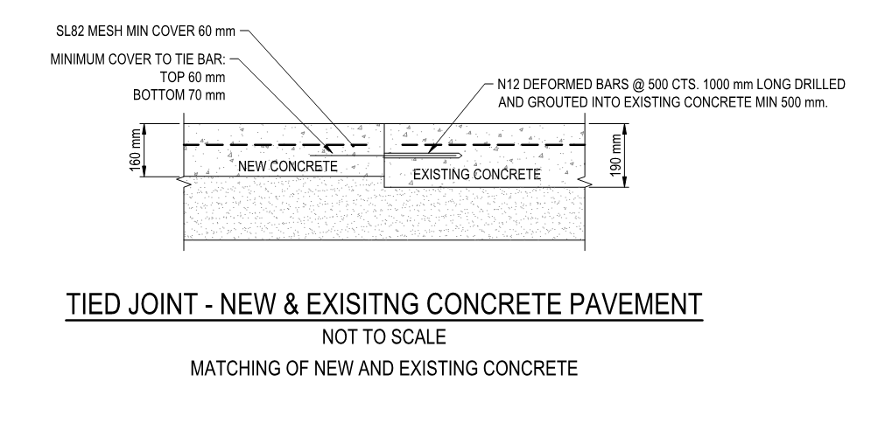
 |  |  | Inspection and Test Plan - Control and Supervision of the Works |  |  |  |  |  |  |  | Document # GT4-ITP-017
 |  |  |  |  |  |  |  |  |  |  | Revision : 0 | Date : 31/05/2023

Client: |  | Hobart International Airport Pty Ltd |  | Construction Process: |  | Prepared by: |  | Reviewed by : |  |  | Approved by :
Project: |  | Project Mercury Early Works At Hobart International Airport |  | Concrete Rigid Pavement Construction |  | Name: | Zac Buick | Name: |  |  | Name:
Contract No: |  | MER-EW-001 |  | Specifications: Hobart Airport Project Mercury Early Works Civil Specification. AS 3600, 1379
 |  |  |  | Structure / Component: Concrete Rigid Pavements |  | Signed : |  | Signed : |  |  | Signed :
 |  |  |  | Location: Hobart International Airport |  | Date : | 2023-10-27 | Date : |  |  | Date :

Lot No: |  |  | Lot Details: |  |  |  |  |  | Lot Size/ Quantity:

Item | Task/Activity Description |  | Inspection / Controls and Verification Detail |  |  |  |  | HP/ WP/ AP/ IP/ TP/ SCP | Responsibility | Checked by:
No. |  |  | Frequency | Acceptance Criteria | Reference Documents | Inspection / Test Method | Record of conformity |  | Project Engineer Site Engineer Superintendent Surveyor Foreman | Client | Fulton Hogan | FH's Sub-contractor | Date
1 | Preliminary Works
1.1 | Check for correct documentation |  | Prior to commencing any activity | Ensure that all employees and subcontractors are: - using the correct and complete set of drawings - all drawings are the latest revision | Drawings and drawing registers | Visual inspection | ITP Signed | HP* | Site Engineer/ Site Foreman | N/A |  | N/A
1.2 | Implementation of all measures and controls |  | Prior to commencing any activity | All necessary measures and controls are being implemented, that is: PSP, EMP, TMP, SWMS & WP | PSP, EMP, TMP, SWMS, WP | Visual Inspection | ITP Signed | HP* | Site Engineer/ Site Foreman | N/A |  | N/A
1.3 | Concrete Mix Design |  | Prior to first concrete pour | Concrete shall comply with the requirements outlned with defined pavement options specified within the Early works, Civil design drawings. Unless specified, then concrete used in this construction shall conform to AS 3600 and be provided by an approved pre-mixed concrete supplier, conforming with AS 1379. | C.10.1 Work Procedure | Verify | ITP Signed Mix design approval | HP* | Site Engineer/ Superintendent | N/A |  | N/A
2 | Initial Works
2.1 | Setting Out |  | Prior to start | Set out work in accordance with drawings. The Engineer and Supervisor will review and confirm set out with the surveyor. | Work Procedure | Verify | This ITP Signed | HP* | Site Engineer/ Superintendent | N/A |  | N/A
2.2 | Pre-Seal Inspection |  | Each Lot | Pre-Seal Inspection will be completed to ensure surface adequate for spray sealing | Work Procedure | Verify | This ITP Signed | HP | Site Engineer/ Superintendent | N/A |  | N/A
2.3 | De-Bonding Treatment |  | Each Lot | Bitumen sprayed seal with 5-7mm aggregate or bitumen emulsion to be placed between Cement Treated Crushed Rock (CTCR) layer and Concrete. | EW-CE-DRW-406-001 | Verify | ITP Signed | IP | Site Engineer | N/A |  | N/A
3 | Construction Works
3.1 | Formwork |  | Each Lot | All formwork, shall be accurately constructed to the required lines and strong enough to remain in position without displacement during placement, compaction and support of concrete, and shall extend to the full depth of the concrete. | C.10.5 AS 3610 | Verify | ITP Signed | IP | Site Engineer | N/A |  | N/A
3.2 | Reinforcement |  | Each Lot | SL82 Mesh to be installed with a minimum 60mm cover to the surface. Reinforcement must comply with the requirements of AS/NZS 4671. Reinforcement mesh is not to continue through joint. | DWG EW-CE-DRW-416-001 (Rev C) C.10.10 | Verify | ITP Signed | IP | Site Engineer | N/A |  | N/A
3.3 | Dowels |  | Each Lot | Dowel bar size, length and spacing along the joints (Section 9.4.6 of Austroads 2017): 24mm diameter, 450mm long Grade 250N round bars at 300mm center to center spacing. | C.10.28 DWG EW-CE-DRW-416-001 (Rev C) | Verify | ITP Signed | IP | Site Engineer | N/A |  | N/A
3.4 | Tie Bars |  | Each Lot | Tie bars should not be installed within a distance of 500mm from a contraction joint. The tie bars are recommended to be at least 1m long, 12mm diameter deformed steel bars. The spacing of tie bars can be determined from the ‘drag’ formula identified in Austroads, 2017. | C.10.29 DWG EW-CE-DRW-416-001 (Rev C) | Verify | ITP Signed | IP | Site Engineer | N/A |  | N/A
3.5 | Authority to Place Concrete |  | Each Lot | Concrete shall not be placed until: (i) the evidence that the set-out and any formwork or reinforcement is conforming to the requirements of the specification and the drawings and has been reviewed by the Superintendent (ii) Prior to placing concrete, all formwork, equipment to handle concrete, excavated areas, reinforcement and existing adjacent concrete are to be clean of all foreign matter and water. Superintendent requires 48 HR notice for inspection. | C.10.6 | Inspection / Test Method | Inspection Checklist Doc No: 65473-CI-01A | HP | Site Engineer / Superintendant |  |  | N/A
3.6 | Concrete Placement |  | Each Lot | The concrete pavement shall be a 160mm jointed reinforced concrete pavement with a characteristic 28-day flexural strength not less than 4.5mpa | DWG EW-CE-DRW-406-001 (Rev E) C.10.6 C.10.26 | Inspection / Test Method | Visual Inspection, doc. No. 64573-CI 01D | IP | Site Engineer/ Site Foreman | N/A |  | N/A
3.7 | Compaction |  | Each Lot | The entire volume of the pavement shall be thoroughly compacted using vibrators to ensure each load of concrete is vibrated into the face of the previously placed concrete and into edges, joints and around dowel bars and the like. | C.10.7 | Visual Inspection | ITP Signed | IP | Site Engineer/ Site Foreman | N/A |  | N/A
3.8 | Surface Finish |  | Each Lot | Concrete pavements shall be finished with a steel trowel to a smooth surface at the correct levels, grades and shapes. After trowelling, the surfaces of pavements subject to traffic shall be broomed to form a non-skid surface with the pattern of the lines running in one direction only. | C.10.12 | Visual Inspection | ITP Signed | IP | Fulton Hogan Engineer | N/A |  | N/A
3.9 | Joints |  | Each Joint | Dowelled Expansion Joint Dowelled expansions joints shall be installed for transverse joints at 6m spacing. Dowells to be 24mm Ø grade 250N, 450mm long dowel bars @ 300 CTS debonded at one end. Cover from dowels to surface to be D/2 +/-25mm Cover from mesh reinfoircement to expansion joint to be 75mm each side. Joint to be sealed in accordance with Detail F of NSW transport RMS Standard Drawing DS2014/005559 ED2 Rev 0 (See below) Tied Construction Joint Reinforcement to be N12 deformed bars @ 500 cts. 1000 mm long extending 500mm +/-35mm into each side. Joint to be sealed in accordance with Detail F of NSW transport RMS Standard Drawing DS2014/005559 ED2 Rev 0 (See below) | EW-CE-DRW-416-001 NSW transport RMS Standard Drawing DS2014/005559 ED2 Rev 0 See Drawings Below | Visual Inspection | This ITP Signed | IP | Site Engineer/ Site Foreman | N/A |  | N/A
3.10 | Protection of concrete |  | Each Lot | The finished product shall be protected from damage by passers-by and construction traffic through the use of bollards. Pavement to be protected for a period of 28-days following the last concrete pour. During this period the area shall remain untrafficked. | Work Procedure | Verify | This ITP Signed | IP | Site Foreman | N/A |  | N/A
3.11 | Curing |  | Each Lot | Approved covering shall be provided to protect the concrete surfaces against rain, hail, dust or any other cause that may damage the concrete during the carrying out of the work. The formwork may be stripped after 24 hours, but sufficient timbering must be provided to protect all exposed edges for at least four (4) days or longer, where in the opinion of the Builder, damage is likely to occur. The contractor will apply curing compound as per C.10.13 of the project specification. | C.10.13 | Verify | This ITP Signed checklist doc no: 65473-CI 01E | IP | Site Engineer/ Site Foreman | N/A |  | N/A
4 | Completion
4.1 | Carry out sampling of concrete - strength and consistency |  | Each 50m3 | Sampling and testing of the strength of concrete shall be carried out in accordance with Clause 6.2 of AS 1379. | Work Procedure | Checklist | ITP Signed/Test Records | TP | Site Engineer | N/A |  | N/A
4.2 | As-constructed survey and conformance documentation |  | Each Lot (1 per day) | As-Built Survey Lot Maps shall be completed to show the extent of works for each lot. | Work Procedure | Verify | Visual match existing / This ITP signed off | SCP | FH Engineer/ Surveyor | N/A |  | N/A

 | Final Inspection
 | The signature below verifies that this ITP has been completed in accordance with the FH’s Quality system Procedures and verifies lot compliance with specifications.
 | Print Name: |  | Position: |  | Signature: |  |  |  |  | Date: / /

Legend
HP | Hold Point | Work shall not proceed past the HP until released by the Superintendent |  |  | IP | Inspection point |  | Formal Inspection to be done and recorded
HP* | FH Hold Point | Work shall not proceed past the HP* until released by FH |  |  | TP | Test Point |  | Product compliance test to be undertaken and recorded/reported
WP | Witness Point | An inspection which must be witnessed by the Superintendent |  |  | SCP | Survey conformance point |  | A qualified surveyor to check product/section/structure and report
AP | Approval Point | Written or verbal approval given by the Superintendent

